Sheet1
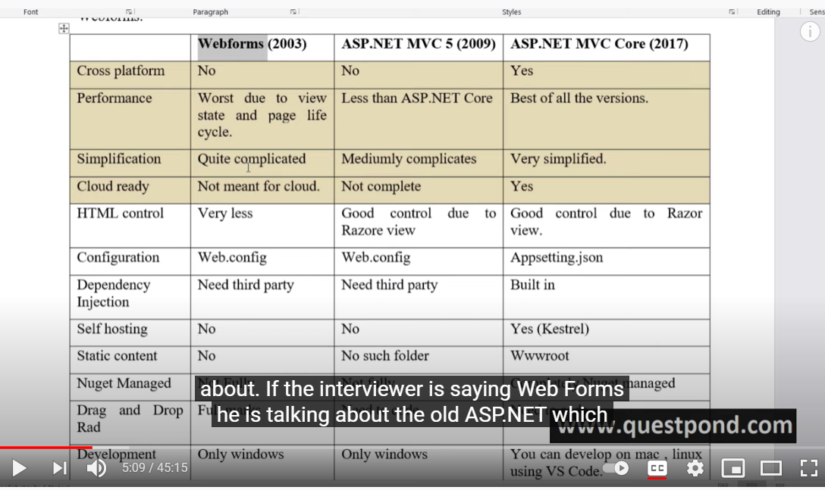
Questions | Answers | VideoReference | Image
What is asp.net mvc core | It’s a open source. Cross platform web devlopment framework to develop web application created by microsoft. So cross platform means, when you create a web application using asp.net core, the application can run on windows, mac, linux that is it is a cross platform.
Difference between asp.net mvc core and asp.net mvc |  |  |  | Perfomance | consider if we have dll of size 10kb, they have broken down that 10kb file into 1kb pieces in mvc core because of that memory footprint is less and that’s make your application faster.
 |  |  |  | Simplifications | Quite complicated because we have to learn page life cycle, view stage, server controls and so many things | Complicated web config file, No DI requires third party to do that | Very simple appSettings file, inbuild di

Explain MVC architecture or design pattern | MVC is an architecture patern where we devide project into three layers: 1) Controller: It is a binding layer which connects or bind the model and view. 2.) The view is where you have your ui, your html, css all comes under view 3) Model: It contains domain classes and business logic
Why do we have wwwroot folder? | In www root folder we store static contents like html, css, js files and images
Explain importance of appsettings.json | Help us to store configuration data or configuration of the project for example: connection string, version number, enviroment e.t.c IT HELP US TO STORE CONFIG INFORMATION
How to read configurations from appsettings.json | To read data from appSettings.json we use the ICONFIGURATION object which Is injected by mvc core dependency injection framework
What is dependency injection | it is a practice of providing dependent objects from outside rather than that the class creating using new keeyword
what is the benefit of dependency injection | it becomes decoupled system, that if u make any changes in dependent class the changes will be reflected across your application
How to implement dependency injection

